Dataset
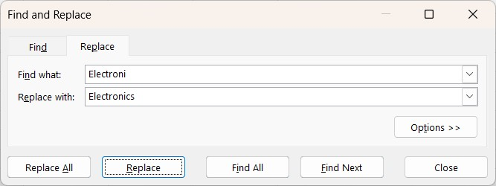
Product ID | Date | Manufacturing Date | Country Code | Product Name | Brand Name | Product Brand | Price ($) | Missing Value Q 1 | Quantity | Category | Handling Missing Values
28-JAN-US | 28-01-2026 | 28 | US | Laptop | Dell | Laptop Dell | ₹ 1,000.00 | 1000 | 30 | Electronics | ? | Check for missing values in the 'Price' column. How would you handle products with missing price information?
15-FEB-US | 15-02-2026 | 15 | US | Sneakers | Nike | Sneakers Nike | ₹ 80.00 | 80 | 15 | Fashion | Ans | Answer worked out in E Column
03-MAR-US | 03-03-2026 | 03 | US | Coffee Maker | Keurig | Coffee Maker Keurig | ₹ 130.00 | 130 | 40 | Kitchen | ? | If there are products with missing categories, propose a strategy to impute or deal with these missing values effectively.
11-APR-US | 11-04-2026 | 11 | US | Smartphone | Samsung | Smartphone Samsung | ₹ 900.00 | 900 | 25 | Electronics | Ans | Categories are imputed based on the products and features Ex: Adidas = It was a Fashion Wear
22-MAY-US | 22-05-2026 | 22 | US | Backpack | North Face | Backpack North Face | ₹ 70.00 | 70 | 20 | Fashion | Correcting Inconsistent Data:
07-JUN-UK | 07-06-2026 | 07 | UK | Headphones | Sony | Headphones Sony | ₹ 297.86 | 297.85714286 | 45 | Electronics | ? | Identify any inconsistent text formats present in the "Product Name" column.
19-JUL-UK | 19-07-2026 | 19 | UK | T-Shirt | Adidas | T-Shirt Adidas | ₹ 30.00 | 30 | 5 | Fashion | Ans | laptop |  |  |  | Laptop
23-AUG-UK | 23-08-2026 | 23 | UK | Blender | Ninja | Blender Ninja | ₹ 90.00 | 90 | 35 | Kitchen | ? | Identify any typos present in the "Category" column.
05-SEP-UK | 05-09-2026 | 05 | UK | Tablet | Apple | Tablet Apple | ₹ 500.00 | 500 | 50 | Electronics | Ans | Electroni |  |  |  | Electronics
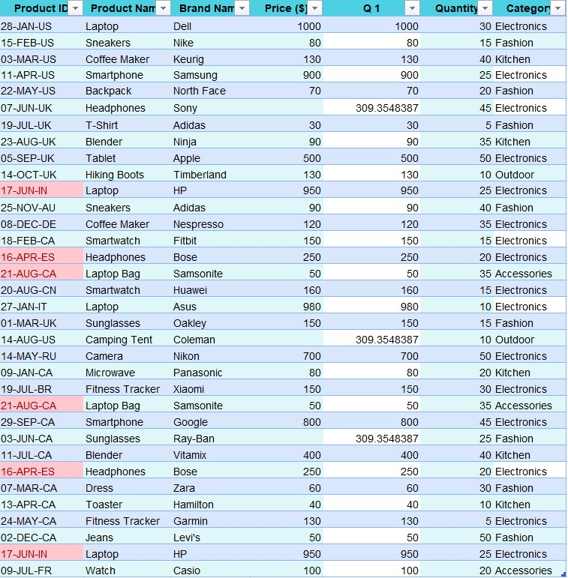
14-OCT-UK | 14-10-2026 | 14 | UK | Hiking Boots | Timberland | Hiking Boots Timberland | ₹ 130.00 | 130 | 10 | Outdoor | ? | Use the find and replace function to standardize the text formats in the "Product Name" column and fix any typos or misspellings in the "Category" column.
17-JUN-IN | 17-06-2026 | 17 | IN | Laptop | HP | Laptop HP | ₹ 950.00 | 950 | 25 | Electronics | Ans | Products Name Modified using "Proper" Formula. In Category Electroni replaced to Electronics
25-NOV-AU | 25-11-2026 | 25 | AU | Sneakers | Adidas | Sneakers Adidas | ₹ 90.00 | 90 | 40 | Fashion | Removing Duplicates:
08-DEC-DE | 08-12-2026 | 08 | DE | Coffee Maker | Nespresso | Coffee Maker Nespresso | ₹ 120.00 | 120 | 35 | Electronics | ? | Identify any duplicate rows within the dataset based on the entirety of each row, and remove them if any.
18-FEB-CA | 18-02-2026 | 18 | CA | Smartwatch | Fitbit | Smartwatch Fitbit | ₹ 150.00 | 150 | 15 | Electronics | Ans |  |  |  |  |  | Dupications removed by using "Product ID" Column
16-APR-ES | 16-04-2026 | 16 | ES | Headphones | Bose | Headphones Bose | ₹ 250.00 | 250 | 20 | Electronics
21-AUG-CA | 21-08-2026 | 21 | CA | Laptop Bag | Samsonite | Laptop Bag Samsonite | ₹ 50.00 | 50 | 35 | Accessories | Splitting and Merging Data:
20-AUG-CN | 20-08-2026 | 20 | CN | Smartwatch | Huawei | Smartwatch Huawei | ₹ 160.00 | 160 | 15 | Electronics | ? | Split the "Product ID" column into two separate columns for " Manufacturing Date" and "Country Code". Remove unnecessary characters, if any.
27-JAN-IT | 27-01-2026 | 27 | IT | Laptop | Asus | Laptop Asus | ₹ 980.00 | 980 | 10 | Electronics | Ans | 28-JAN-US |  | Manufacturing Date |  | 28 | 28-JAN-US | Country Code | US
01-MAR-UK | 01-03-2026 | 01 | UK | Sunglasses | Oakley | Sunglasses Oakley | ₹ 150.00 | 150 | 15 | Fashion | ? | Merge the "Brand Name" and "Product Name" columns into one column named "Product Brand".
14-AUG-US | 14-08-2026 | 14 | US | Camping Tent | Coleman | Camping Tent Coleman | ₹ 297.86 | 297.85714286 | 10 | Outdoor | Ans | Product Name | Laptop | Brand Name | Dell | Product Brand |  | Laptop Dell
14-MAY-RU | 14-05-2026 | 14 | RU | Camera | Nikon | Camera Nikon | ₹ 700.00 | 700 | 50 | Electronics | Number Formatting
09-JAN-CA | 09-01-2026 | 09 | CA | Microwave | Panasonic | Microwave Panasonic | ₹ 80.00 | 80 | 20 | Kitchen | ? | Format the data type of the "Price" column to currency format
19-JUL-BR | 19-07-2026 | 19 | BR | Fitness Tracker | Xiaomi | Fitness Tracker Xiaomi | ₹ 150.00 | 150 | 30 | Electronics | Ans | Price |  | 1000 |  | Price |  | ₹ 1,000.00
29-SEP-CA | 29-09-2026 | 29 | CA | Smartphone | Google | Smartphone Google | ₹ 800.00 | 800 | 45 | Electronics | ? | Format the "Manufacturing Date" column to display dates in the "DD-MM-YYYY " format
03-JUN-CA | 03-06-2026 | 03 | CA | Sunglasses | Ray-Ban | Sunglasses Ray-Ban | ₹ 297.86 | 297.85714286 | 25 | Fashion | Ans | Manufacturing Date |  | 28-JAN-US |  | DD-MM-YYYY |  | 28-01-2026
11-JUL-CA | 11-07-2026 | 11 | CA | Blender | Vitamix | Blender Vitamix | ₹ 400.00 | 400 | 40 | Kitchen | Conditional Formatting
07-MAR-CA | 07-03-2026 | 07 | CA | Dress | Zara | Dress Zara | ₹ 60.00 | 60 | 30 | Fashion | ? | Apply data bar or color scales conditional formatting in the "Price" column.
13-APR-CA | 13-04-2026 | 13 | CA | Toaster | Hamilton | Toaster Hamilton | ₹ 40.00 | 40 | 10 | Kitchen | Ans | Price |  | 1000 |  | Price |  | ₹ 1,000.00
24-MAY-CA | 24-05-2026 | 24 | CA | Fitness Tracker | Garmin | Fitness Tracker Garmin | ₹ 130.00 | 130 | 5 | Electronics | ? | Create a custom rule for conditional formatting in the "Category" column to highlight cells where the category is "Electronics."
02-DEC-CA | 02-12-2026 | 02 | CA | Jeans | Levi's | Jeans Levi's | ₹ 50.00 | 50 | 50 | Fashion | Ans | Category |  | Electronics |  | Category |  | Electronics
09-JUL-FR | 09-07-2026 | 09 | FR | Watch | Casio | Watch Casio | ₹ 100.00 | 100 | 20 | Accessories

